Inputs
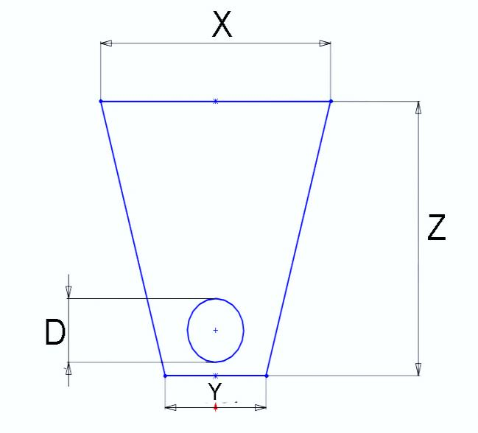
Project Name/Number/Address | 101 | Test | Model and assumption uncertainty |  | 10% |  |  |  | input field
Trenchless Technology | 102 | Pipe Bursting | GHG savings tonnes CO2e | 45.9 |  |  |  |  | dependant default value
Soil Type | 103 | Medium Soil | Litres of Diesel Fuel saved | 15,861 |  |  |  |  | independent default value
 | CO2e (Tonnes) | Diesel Fuel (1000L) | Truck return trips
Reduction Before Net Down | 51 | 18 | 109
Ground Conditions | 104 | Wet | No. of trucks off the road | 66
Surface Type | 105 | Asphalt | Fewer return truck trips | 98
Project Parameters | Box # | User Input | Default/Estimated Value | Unit
Pipe Diameter (D) | 106 | 375 | error | millimetre |  |  |  |  | 0.375 | D
Pipe Total Length (L) | 107 | 200 | Error | meter |  |  |  |  | 200 | L
Pipe Depth At Start (Z1) | 108 | 2.50 | 1.48 | meter |  |  |  |  | 2.500 | Z
Pipe Depth At End (Z2) | 109 | 2.50 | 1.48 | meter
Percentage of excavated material reused | 110 |  | 0% | % |  |  |  |  | 0 | % reuse
Soil /gravel/sand truck capacity | 111 |  | 7.5 | cubic meter | 0 |  |  |  | 8 | truck capacity
Project site to dump site | 112 |  | 10 | kilometer |  |  |  |  | 10 | dump distance
Service Pits and lateral connection inputs | Box # | Number (each) | Default/Estimated Value | Dimension Units | Box # | Input Avg. Length | Default Length | Box # | Input Width | Default Width | Box # | Input Depth | Default Depth
Total Number of Manholes | 113 | 2 | 3 | meter | 122 |  | 2.1 | 127 |  | 2.1 | 131 |  | 2.5
Lateral/Service Connections Near-Side | 114 | 3 |  | meter | 123 | 3.0 | 4.9 | 128 |  | 0.9 | 132 |  | 2.0 | numbers | length | width | depth
Lateral/Service Connections Far-Side | 115 | 3 |  | meter | 124 | 5.5 |  |  |  |  |  |  |  | 2 | 2.1 | 2.1 | 2.5
Entry Pits | 116 |  | 1 | meter | 125 |  | 9.0 | 129 |  | 1.8 | 133 |  | 2.5 |  | 3.0 | 0.9 | 2.0
Exit pits | 117 |  | 1 | meter | 126 |  | 4.9 | 130 |  | 1.8 | 134 |  | 2.5 |  | 5.5
Number of runs if applicable | 118 |  | 2 | each |  |  |  |  |  |  | 1 | 9.0 |  | 2.5 | 9.0
OpenCut Estimated Project Parameters | Box # | User Input | Default/Estimated Value | Unit |  |  |  |  |  |  | 1 | 4.9 | 1.8 | 2.5 | 4.9
Trench Upper Width (X) | 119 |  | 1.4 | meter | 1.375 | X |  |  |  |  | 2 | 43.6 | total TT length
Trench Lower Width (Y) | 120 |  | 0.9 | meter | 0.9 | Y
Productivity for open cut section of project | 121 |  | 18.9 | meters per 8hr day | 6 | prod. |  |  |  |  | 2

Outputs
Parameter | Unit | Output
Open Cut
Trench Cross Section Area | square meter | 2.84
Cross Section Area Adjusted for Lateral Connections | square meter | 2.76
Open Cut Excavation Volume | cubic meter | 622
Open cut no. of return trips | each | 124
Open Cut Productivity | meters length per 8hr day | 18.9
Open Cut excavation duration | hours | 124
Open Cut machinery emissions | kgCO2e | 53,907
Open Cut hauling emissions | kgCO2e | 4,293
Open Cut total emissions | kgCO2e | 58,199

Trenchless Technology | Pipe Bursting
Total Pit Excavation Volume | cubic meter | 22
Lateral Connections Excavation Volume | cubic meter | 54
Total Trenchless Excavation Volume | cubic meter | 76
Trenchless Excavation Cross Section Area | square meter | 1.74
Trenchless No. of return trips | each | 15
Trenchless excavation Productivity | meters length per 8hr day | 30
Trenchless excavation duration | hours | 15
Trenchless machinery emissions | kgCO2e | 6,727
Trenchless hauling emissions | kgCO2e | 524
Trenchless total emissions | kgCO2e | 7,251

Results
GHG savings tonnes CO2e |  | 50.9
GHG savings percentage |  | 88%
Litres of diesel fuel saved |  | 17,624
No. of trucks off the road |  | 73
Fewer return truck trips |  | 109
Results after net down of | 10%
GHG savings tonnes CO2e |  | 45.9
Litres of diesel fuel saved |  | 15,861
No. of trucks off the road |  | 66
Fewer return truck trips |  | 98

 | OpenCut | Trenchless | Reduction Before Net Down
CO2e (Tonnes) | 58 | 7 | 51 | (44)
Diesel Fuel (1000L) | 20 | 3 | 18 | (15)
Truck return trips | 124 | 15 | 109 | (94)

